Application Screen
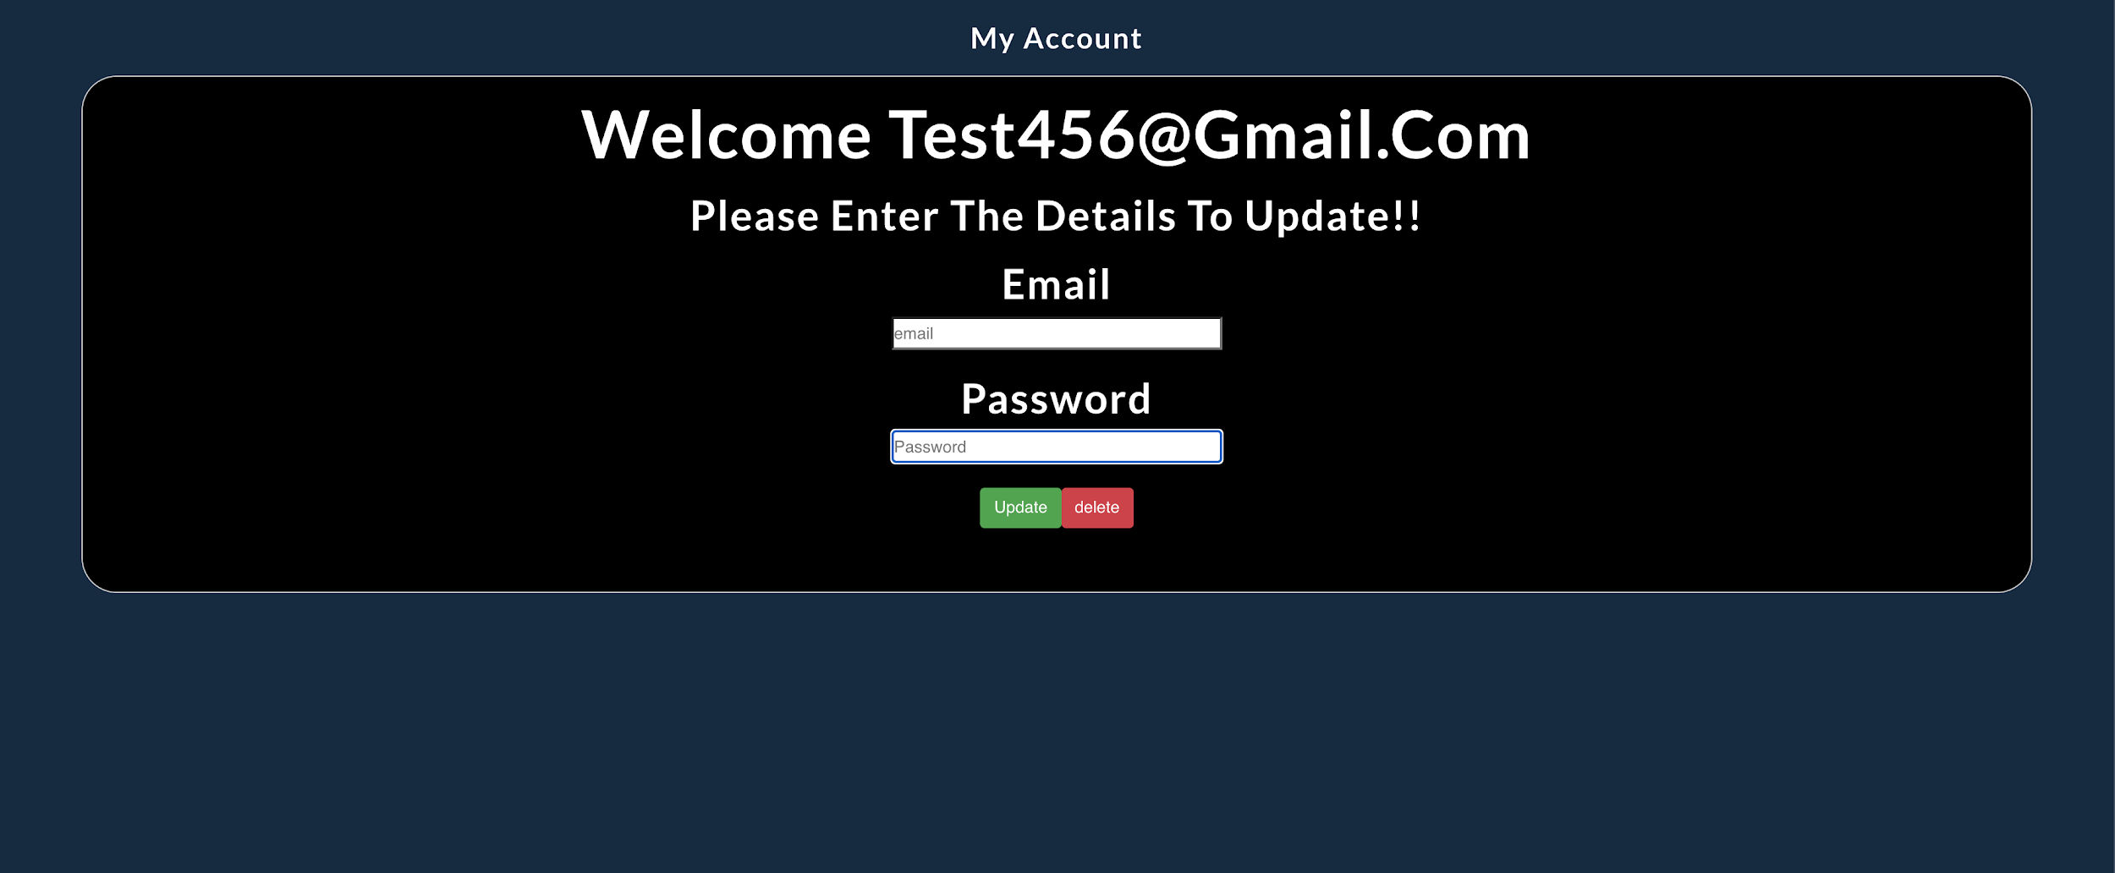

Test Case 4
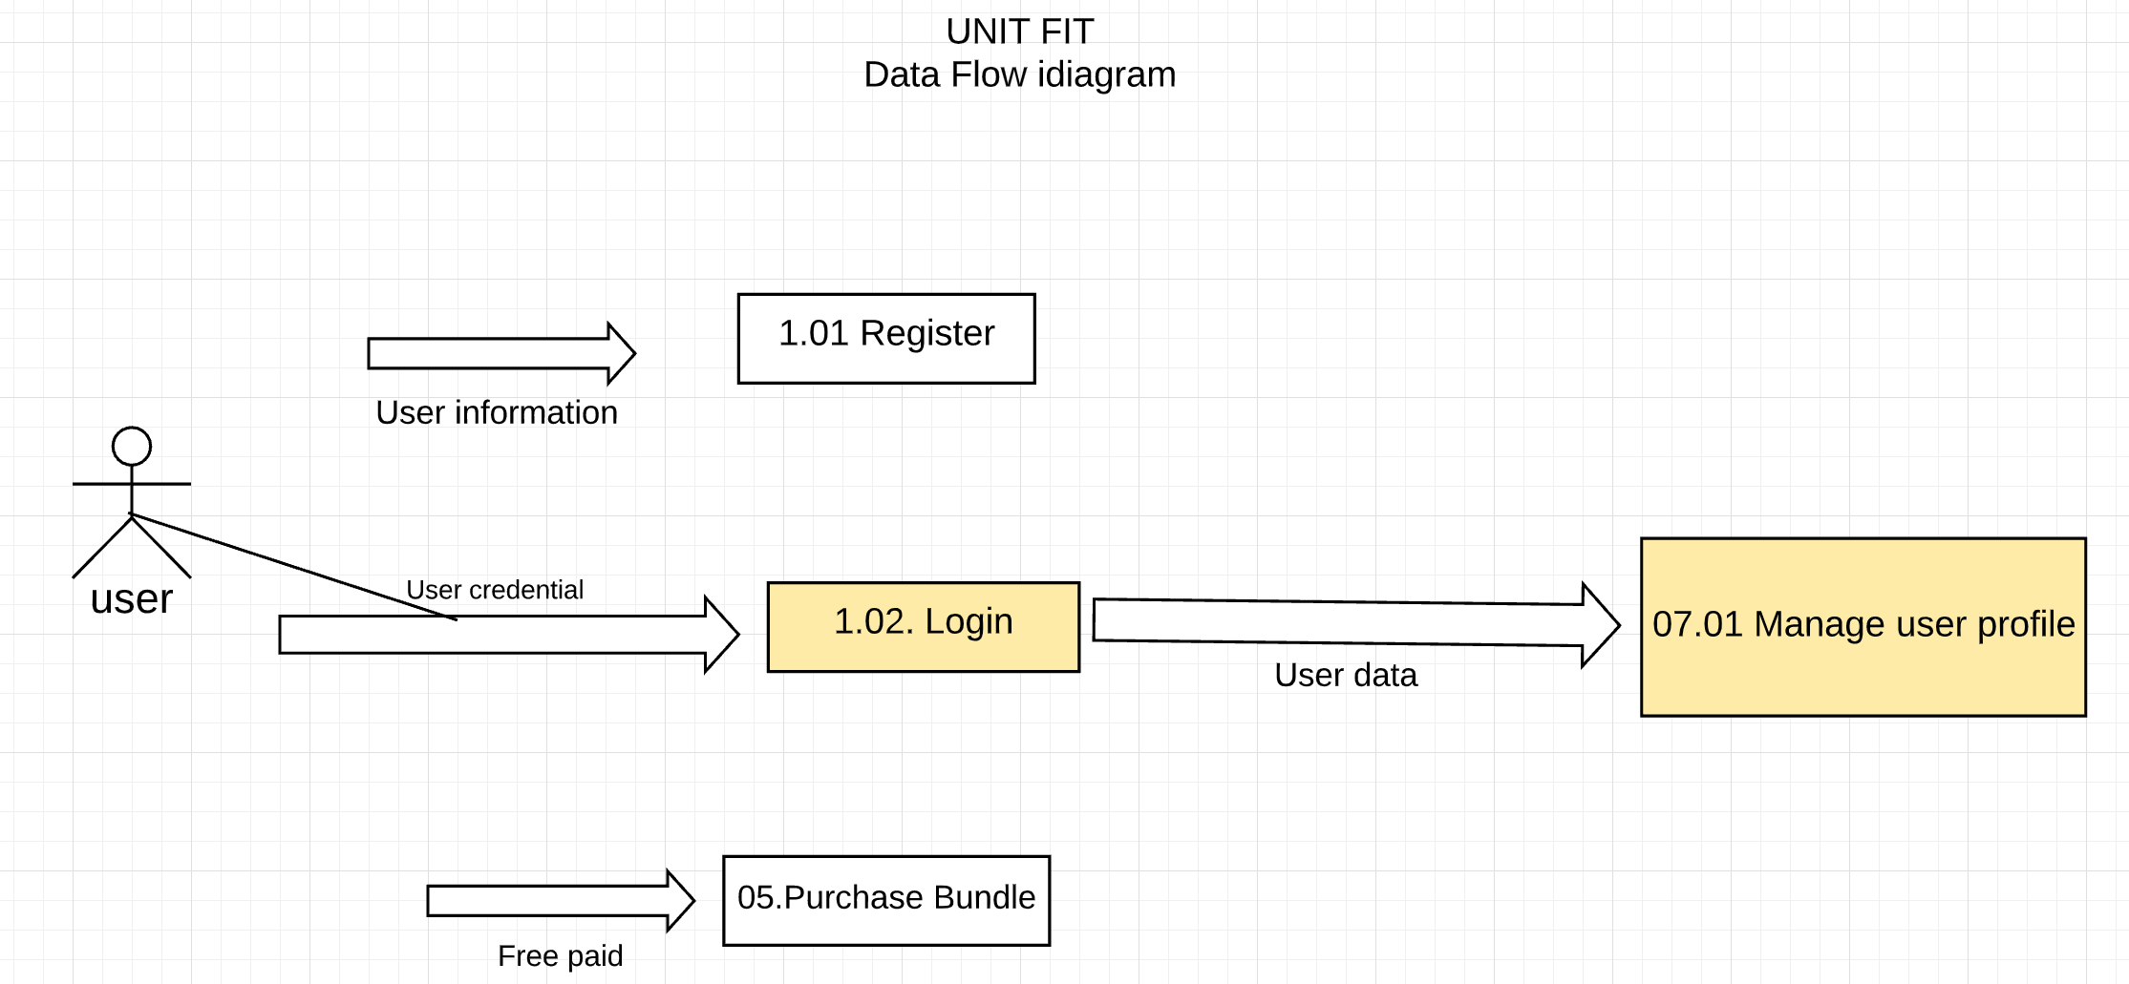
TC Title: | TC4. 07.01 Modify General User's Information-FV - DF-In - Data Flow In

TC Objective: | This test case validates the data flows in from Login module to Manage Uses Profile module

TC Description
 | Step | Step description | Expected Results
 | 1 | User creates an account, then signs in by entering the data for username and password. | Account created and user can sign in successfully
 | 2 | User click My Profile button from menu bar | Navigate to My Profile page, initially created username is displayed

